Bug1
Bug description | Onboarding introductory layout is overlaying on the menu categories

Steps to reproduce | 1.Install the Monefy app
 | 2. Go through Onboarding screens
 | 3. Onboarding introductory layout is displayed
 | 4. Click on the calender option icon on the top left of the tool bar when the introductory layouts are displayed
Environment | Samsung galaxy S9(Android version 10)

Actual result | Onboarding introductory layout is overlaying on top of the extended options

Expected result | Onboarding layouts should either disapear when other options are open on the screen or not displayed on top of it.
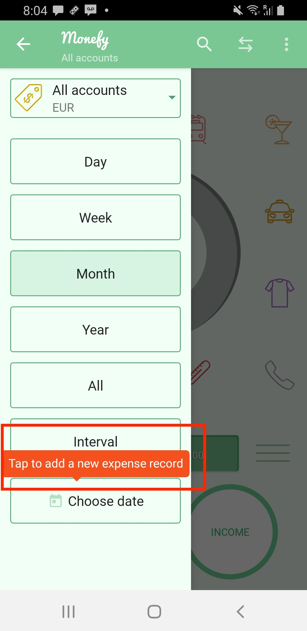
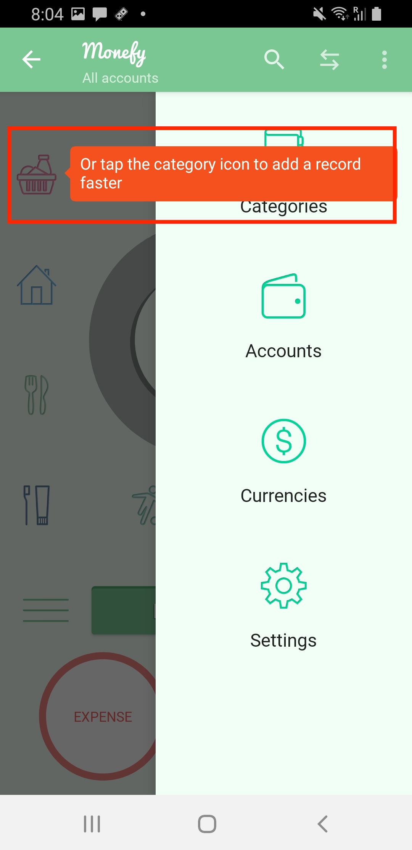
Attachments

Bug2
Bug description | the color of 'ADD' button fades in the income section

Steps to reproduce | 1. Install the app
 | 2. click on Plus button
 | 3. enter the amout in new income section
 | 4. Click on CHOOSE CATEGPRY
 | 5. Click on 'ADD' button.
 | 5. Payment screen to upgrade the plan appears
 | 6. Go back

Environment | Samsung galaxy S9(Android version 10)

Actual result | The color of the 'ADD' button should not fade away

Expected result | the color of 'ADD' button fades in the income section
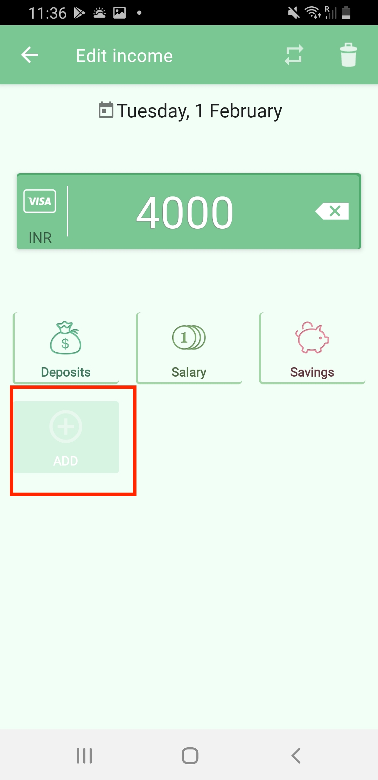
Attachments

Bug3
Bug description | Currency localisation does not work

Steps to reproduce | 1.Install the Monefy app
 | 2. Go through Onboarding screens
 | 3. click on settings option at the top right corner
 | 4. Click on Settings component
 | 5. click on Currency to change currency from Euro to Rupees
 | 6. add income ammount as 200
 | 7. the amount displayed on the home is 200,00

Environment | Samsung galaxy S9(Android version 10)

Actual result | when the currency is changed, app should localise the currency accordingly. Ruppess 200,00 means 20 thousand because the comma is diplayed in stead of dot.

Expected result | comma in the currency should be replaced by dot when the currency is changed.

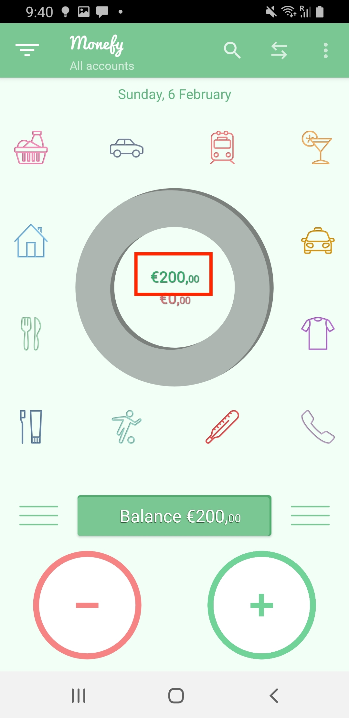
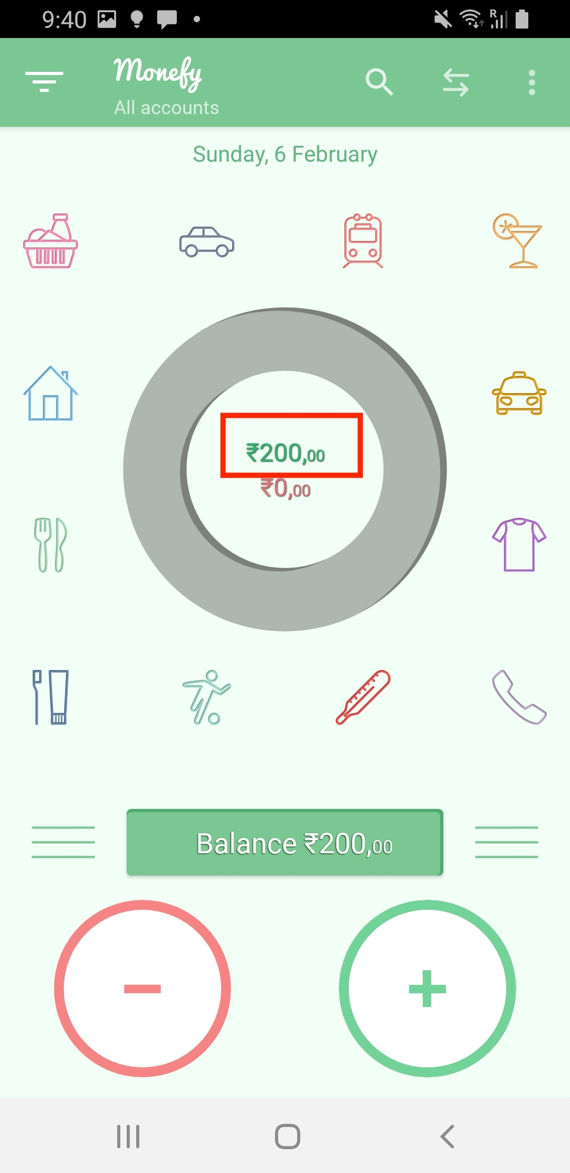
Attachments

Bug4
Bug description | Translation texts missing for all languages except english and german

Steps to reproduce | 1.Install the Monefy app
 | 2. Go through Onboarding screens
 | 3. click on settings option at the top right corner
 | 4. Click on Settings component
 | 5. click on Language option to change the language
 | 6. select any language apart from english and german

Environment | Samsung galaxy S9(Android version 10)

Actual result | The translation texts are missing when the langauge is changed. Fall back language is english.

Expected result | Translation texts should be in place for all the languages
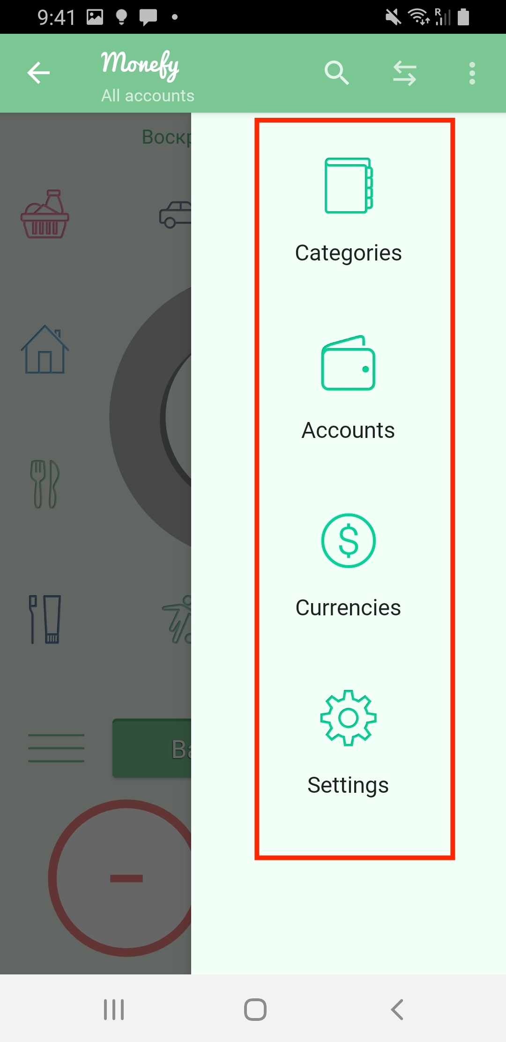
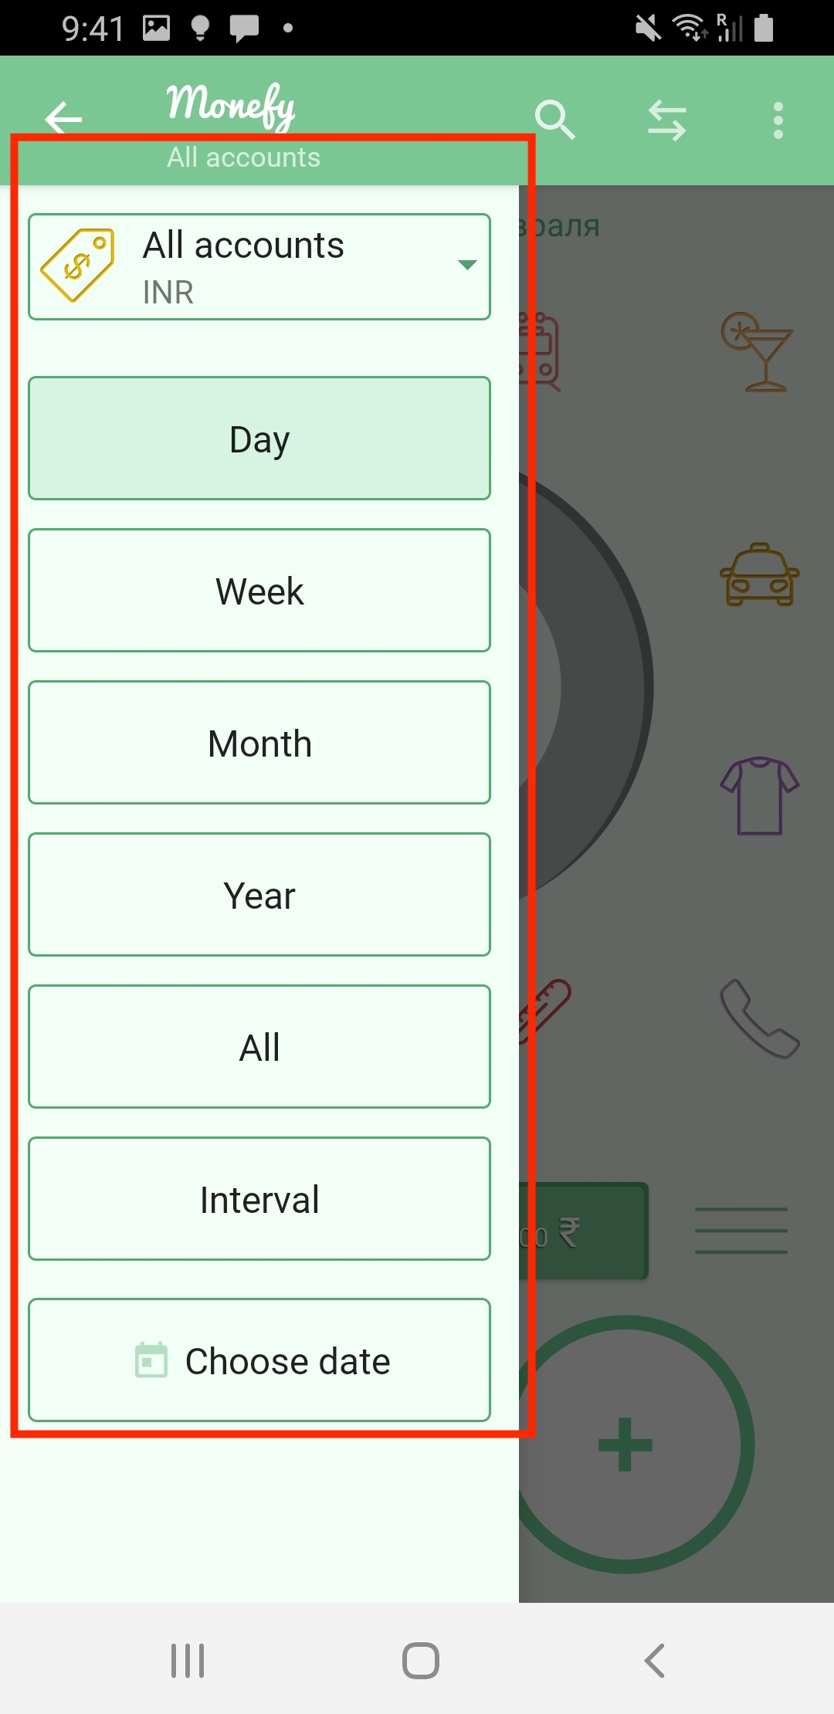
Attachments

